Sheet1
 | Document No. | Issue No. | Issue Date |  |  | Review and Replace Date |  | Authorised By
 | GFF522MC | 1 | 11.07.2025 |  |  | new issue
 | Document Title | Red Thai Chicken Curry & Fragrant Rice 400g
 |  |  |  |  |  |  |  | Magda Shah
Document amendments reason for change | New Launch |  | Page 1 of 1 |  | Previous Issue Date |  | new issue | Uncontrolled copy unless signed original

Chicken to be brought into H/R on day of packing
FCTRCR-R4TDA | GAZEBO CUISINE-Danora |  | Red Thai Chicken Curry & Fragrant Rice 400g
STEP 1 |  |  |  | STEP 2
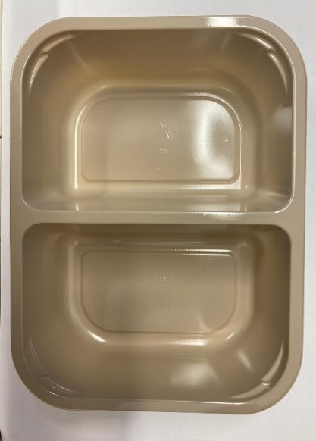 |  |  |  | 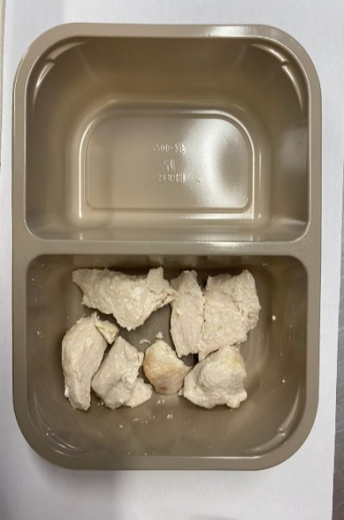

PACK DAY + 1 YEAR
NON-MAP PACK

Tray: EVOLVE CPET 2200-2F(PKRHP001-10) |  |  |  | 20-25mm Steam Cooked Diced Chicken (RMJAN001-03): 60g

Film: K peel 7G+25A/f- 275mm (275 mmX1000)(PKKMP001-03)

STEP 3 |  |  |  | STEP 4
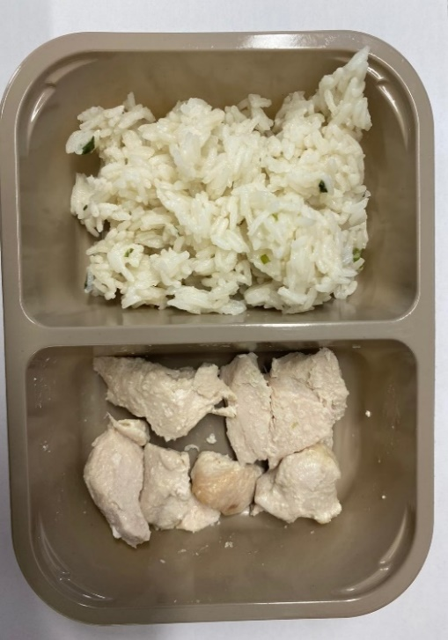 |  |  |  | 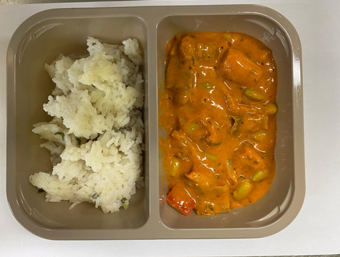

Fragrant Rice (GFF448R): 180g |  |  |  | Red Thai Curry Sauce (CUISINE) (GFF449R): 160g
 |  |  |  | TOTAL WEIGHT: 400G
ALLERGY ALERT: SESAME, SOYA, WHEAT

